Screen Shots
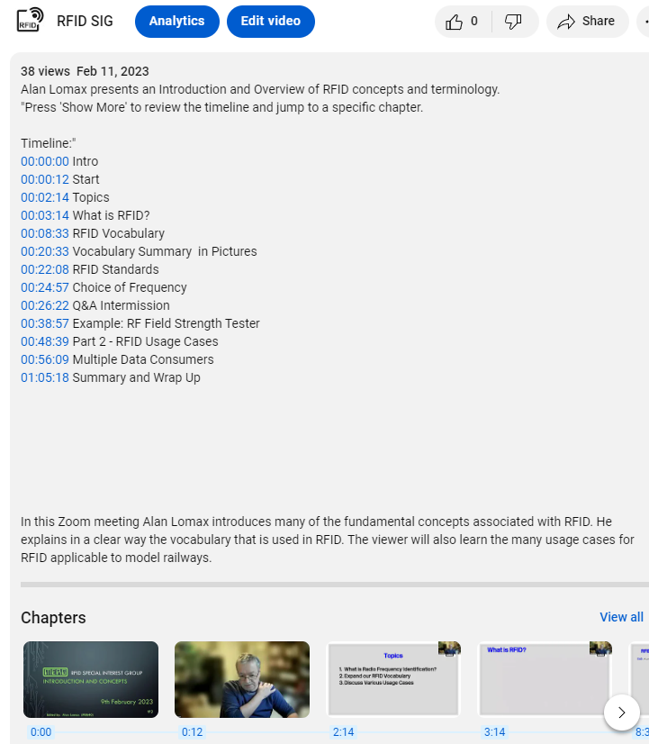

 | When the text from this example is pasted tinto the YouTube Studio "Description Box" the output is this ==>>

When the text from the MERG output is pasted into the MERG WikiPAge (Knowledgebase) the output is as shown below:

